HealthKit Data
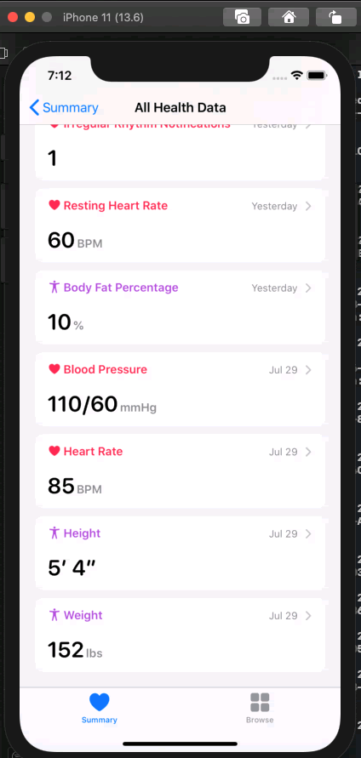
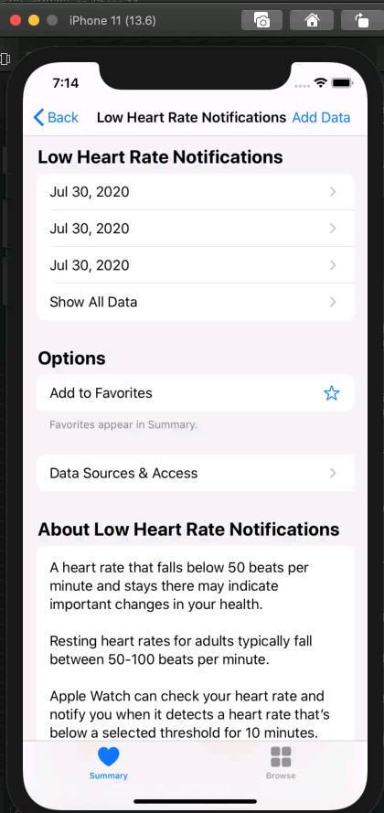
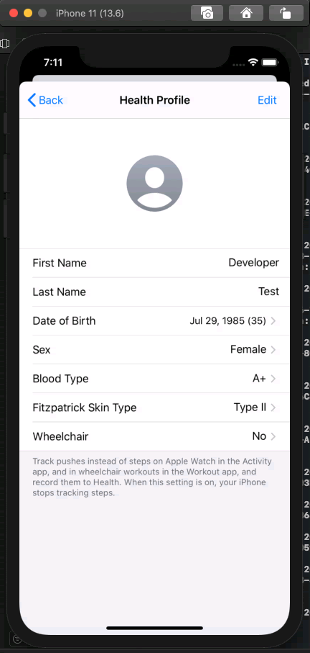
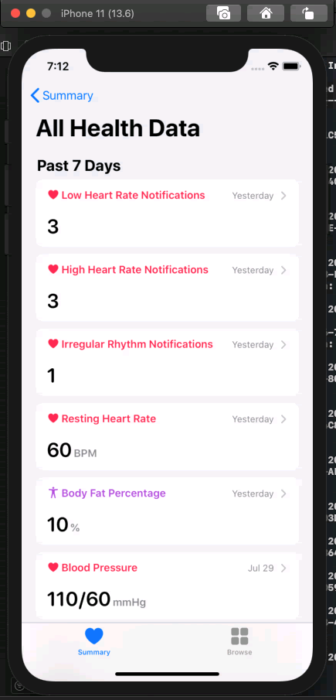

Low Heart Rate

Sample Result
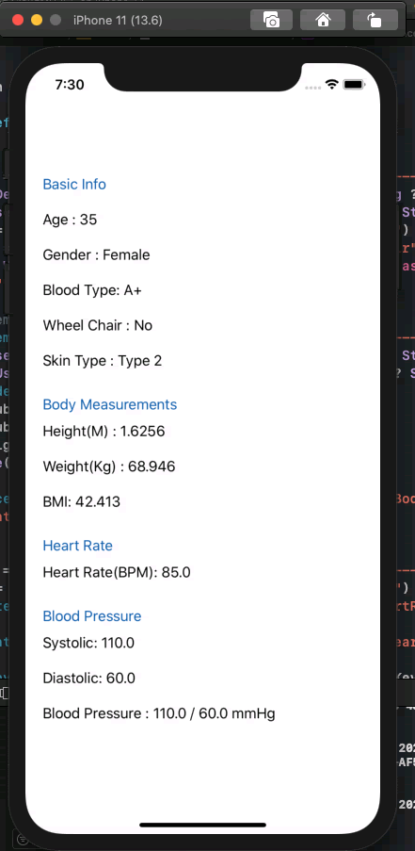
Query Result (Console) - Raw
*Note:Heart Rate events such as: low heart rate event, hight heart rate event, irregular rhythm heart rate event are not here as being implented
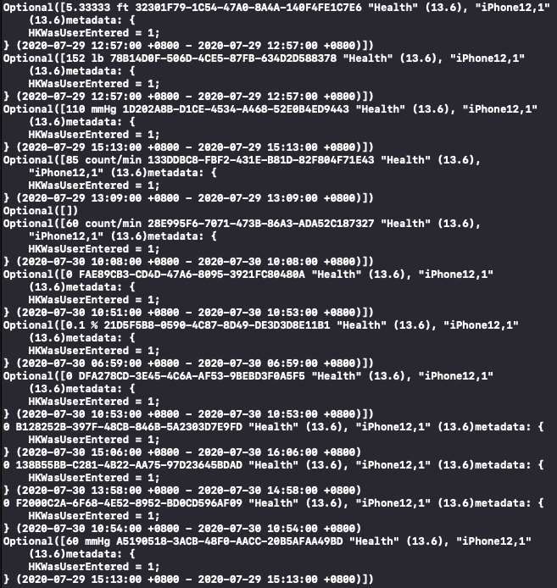
 | Query Result (Console)

 | *Note: some values aren't here like BMI and Total Blood Pressure
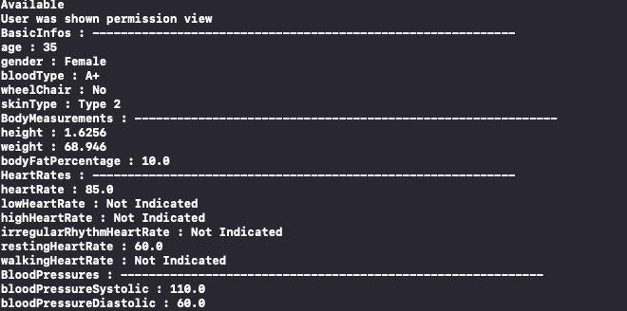

 | Query Result

